Dashboard - Sample
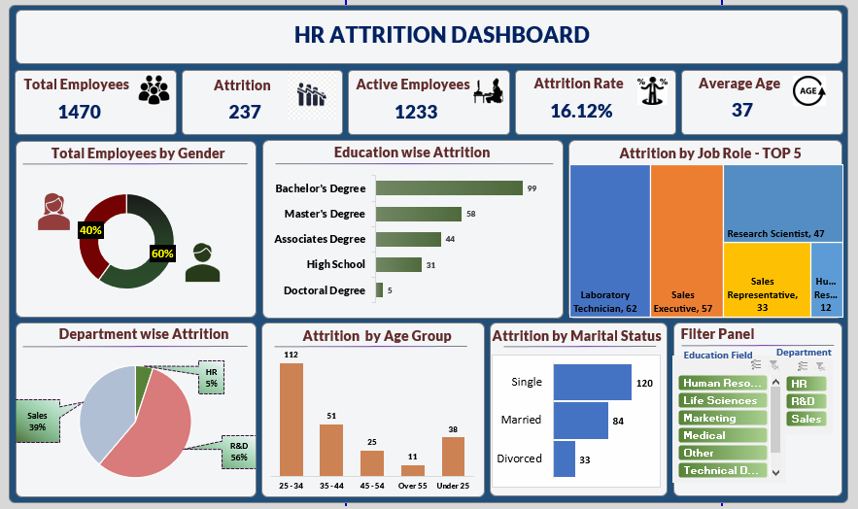

Blank - Layout
`
HR Attribution Dashboard
Total Employee
1470
Attrition
237
Active Empoyee
1233
Attrition Rate
16.12%
Avarage Age
37

Total Employee By Gender
Education Wise Attrition
Attrition By Job Rate

 | Total
Female | 40%
Male | 60%
 | Total
Bachelor's Degree | 99
Master's Degree | 58
Associates Degree | 44
High School | 31
Doctoral Degree | 5

Depertment Wise Attrion
Attrition By Age Group
Filter
Attrition By Marital Stutas
 | Total
R&D | 133
Sales | 92
HR | 12
 | Total
25 - 34 | 112
35 - 44 | 51
45 - 54 | 25
Over 55 | 11
Under 25 | 38
 | Total
Divorced | 33
Married | 84
Single | 120

Chart
Total Employee By Gender |  | Education Wise Attrition |  | Attrition By Job Role

Row Labels | Count of Employee Number | Row Labels | Sum of CF_attrition count | Row Labels | Sum of CF_attrition count
Female | 40% | Bachelor's Degree | 99 | Laboratory Technician | 62
Male | 60% | Master's Degree | 58 | Sales Executive | 57
Grand Total | 100% | Associates Degree | 44 | Research Scientist | 47
 |  | High School | 31 | Sales Representative | 33
 |  | Doctoral Degree | 5 | Human Resources | 12
 |  | Grand Total | 237 | Grand Total | 211

 |  |  |  | Row Labels | Sum of CF_attrition count
 |  |  |  | Laboratory Technician | 62
 |  |  |  | Sales Executive | 57
 |  |  |  | Research Scientist | 47
 |  |  |  | Sales Representative | 33
 |  |  |  | Human Resources | 12

Chart_2
Depertment Wise Attrition |  | Attrition By Age Group |  | Attrition By Merital Status

Row Labels | Sum of CF_attrition count | Row Labels | Sum of CF_attrition count | Row Labels | Sum of CF_attrition count
R&D | 133 | 25 - 34 | 112 | Divorced | 33
Sales | 92 | 35 - 44 | 51 | Married | 84
HR | 12 | 45 - 54 | 25 | Single | 120
Grand Total | 237 | Over 55 | 11 | Grand Total | 237
 |  | Under 25 | 38
 |  | Grand Total | 237

